Alumina Bi-Fold Survey Sheet
Alumina Bi-Fold Survey Sheet v5
Page 1 of 2
Please complete and return both sheets to alumina@liniar.co.uk or send by fax on 01332 883 901
Fabricator Details Contact
Liniar Fabricator: | YES |  |  | NO |  |  |  |  |  | Todays Date:
Company Name: |  |  |  |  |  |  |  |  |  | Preferred Delivery Date:
Alumina Bi-Fold doors are supplied as unglazed products.
All fabricated doors will be delivered to the fabricators normal profile delivery address.

Contact Name: |  |  |  |  |  |  |  |  |  | Telephone:
Email: |  |  |  |  |  |  |  |  |  | Fax:

Fabricator Job Reference
Job Reference:
Covering P/O Number:

Opening Configuration
Note:
All doors are viewed from outside
Please tick the box of the opening configuration required
One door style only per order form

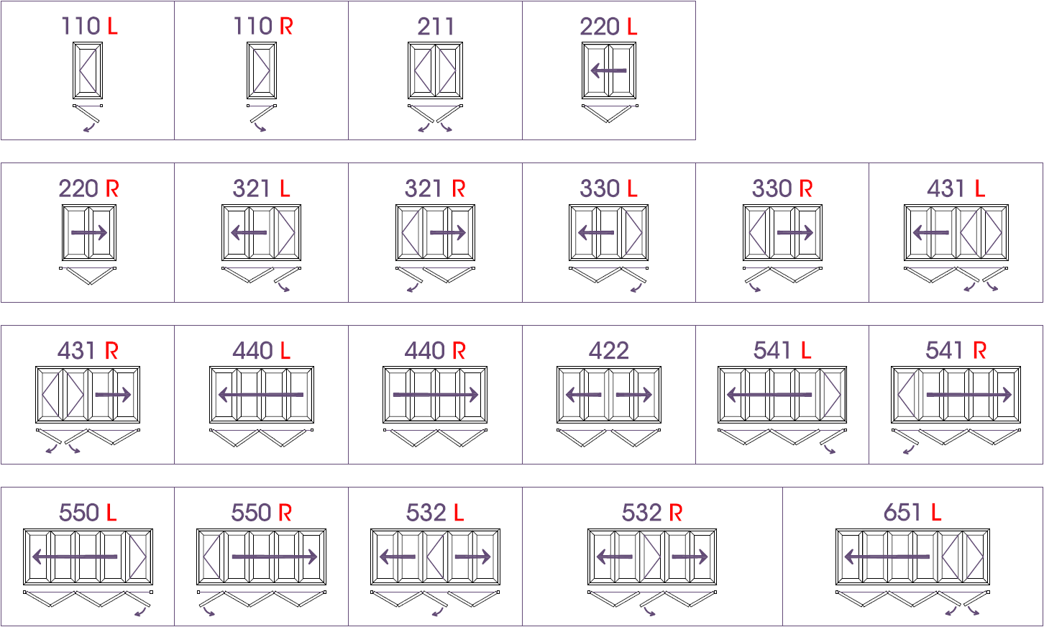

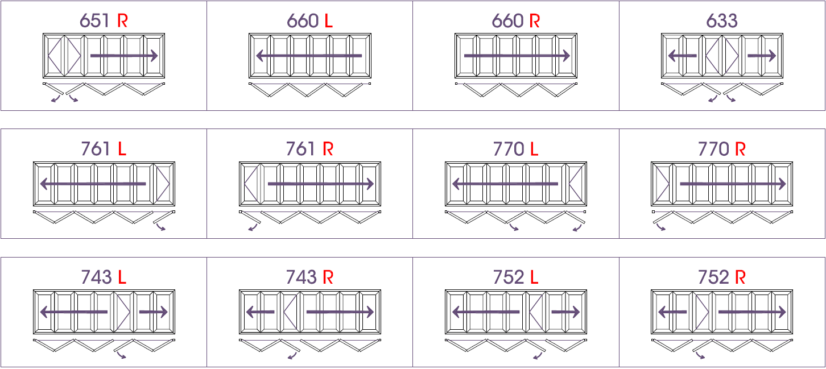

PLEASE NOTE MASTER DOOR

all opening configuration drawings are drawn for illustration purposes only to give a representation of how the door styles would operate

Alumina Bi-Fold Survey Sheet v5
Page 2 of 2

Door Specification
Finished Product Size
Opening Direction
Threshold Type

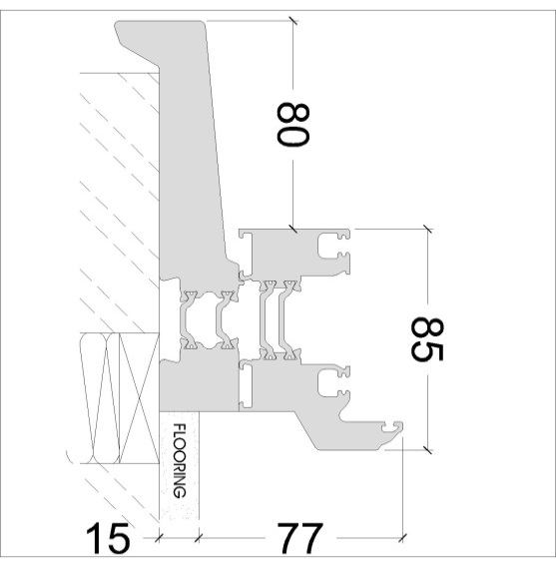
Frame Only
Frame & Cill
Aluminium Low Threshold
Aluminium Low Threshold & Full Ramp
Aluminium Low Threshold & Half Ramp
Q. What colour threshold is required?
Gold
Silver
Q. What colour threshold is required?
Gold
Silver
Q. What colour threshold is required?
Gold
Silver
assembly detail drawn for illustration purposes only
assembly detail drawn for illustration purposes only
assembly detail drawn for illustration purposes only
assembly detail drawn for illustration purposes only
assembly detail drawn for illustration purposes only
150mm Cill Only
Face Drain Only
Face Drain Only
Note: all sizes include add-ons, cills & thresholds MAX SASH WIDTH = 1200mm MAX SASH HEIGHT = 2500mm |  |  |  |  |  |  |  | Tip: check obstructions have been considered when stating opening direction
 | Width: |  |  |  |  | mm |  |  |  |  | Inwards
 | Height: |  |  |  |  | mm |  |  |  |  | Outwards
Add-Ons
Door Restrictor
10
mm
20
mm
50
mm
HV
Note: HV option denotes 'Head Vent'
(only available on doors which are foiled
on both faces)
Top:
Bottom:
Left:
Right:
 |  |  |  |  |  |  |  | Note: restrictors to be used on single leaf doors only. 1 per applcable sash e.g 3-2-1, 4-3-1 etc.
 |  |  |  |  |  |  |  |  |  |  | Yes
 |  |  |  |  |  |  |  |  |  |  | No
Trickle Vent

Optional Midrail
 |  |  |  |  |  |  |  | Note: trickle vents to each alternating sash would be standard practice
 |  |  |  |  |  |  |  |  |  |  | Yes
 |  |  |  |  |  |  |  |  |  |  | No
Q. Midrail Req?
Yes
Drainage Type
(only available on doors which are foiled on both faces)
No
Tip: Liniar recommends concealed drainage
when possible

All midrails positioned at 850mm from bottom of frame
1 midrail per sash UOS , letterbox (if applicable) positioned in master door UOS
 |  |  |  |  |  |  |  |  |  |  | Concealed
 |  |  |  |  |  |  |  |  |  |  | Face
Yes
Glazing Bead
Q. Letterbox Req?
No
Note: 36mm & 40mm beads are only available as PVCu beads
As a result 36mm & 40mm beads can only be requested on internally foiled doors

Restricted Site Access
Note: outer frame will come flat packed if 'yes' is selected
Yes
 |  |  |  |  |  |  |  |  |  |  | 28mm
 |  |  |  |  |  |  |  |  |  |  | 36mm
 |  |  |  |  |  |  |  |  |  |  | 40mm
No
Part Q Compliance

 |  |  |  |  |  |  |  |  |  |  | Yes |  | No
Colour Specification
Select Door Colour Required
*ALL internal & external foil finishes grained UOS*
RAL Paint Only (Both Sides)
 | External Foil |  |  |  | External RAL |  |  | Internal RAL |  | Internal Foil
 | Colour |  | Closest RAL |  | Colour |  | Closest RAL | Colour | Closest RAL | Colour |  | Closest RAL

Standard Door Colour Range
 |  |  |  |  | White |  | 9910 | White | 9910
 |  |  |  |  | Grey |  | 7016 | Grey | 7016
 |  |  |  |  | Black |  | 9011 | Black | 9011
Foiled on Both Faces
 |  |  |  |  | Grey |  | 7016 | White | 9910

 | Irish Oak |  | n/a |  |  |  |  |  |  | Irish Oak |  | n/a
 | Golden Oak |  | n/a |  |  |  |  |  |  | Golden Oak |  | n/a
 | Rosewood |  | n/a |  |  |  |  |  |  | Rosewood |  | n/a
 | Grey |  | 7016 |  |  |  |  |  |  | Grey |  | 7016
 | Black |  | 8022 |  |  |  |  |  |  | Black |  | 8022
 | Cream |  | 9001 |  |  |  |  |  |  | Cream |  | 9001
Foiled (External Only) on White RAL Paint
 | White |  | 9010 |  |  |  |  |  |  | White |  | 9010

 | Cream |  | 9001 |  |  |  |  | White | 9910
 | Chartwell |  | n/a |  |  |  |  | White | 9910
 | Golden Oak |  | n/a |  |  |  |  | White | 9910
 | Rosewood |  | n/a |  |  |  |  | White | 9910
 | Grey |  | 7016 |  |  |  |  | White | 9910
Special Foil Colours Only, input colours as required. Combination availability TBC by Liniar
 | Black |  | 8022 |  |  |  |  | White | 9910

Hardware Colour
Handle Colour
applies to the following products:
ABF050 (Roller), MBF060 (Roller), ABF071 (Butt Hinge), ABF072 (C Handle) & LBF041 (Magnets)
applies to the following products:
MBF080 (Handle), LBF081 (Slim Handle), LBF082 (Slim Handle)
& MBF042 (Escutcheon)

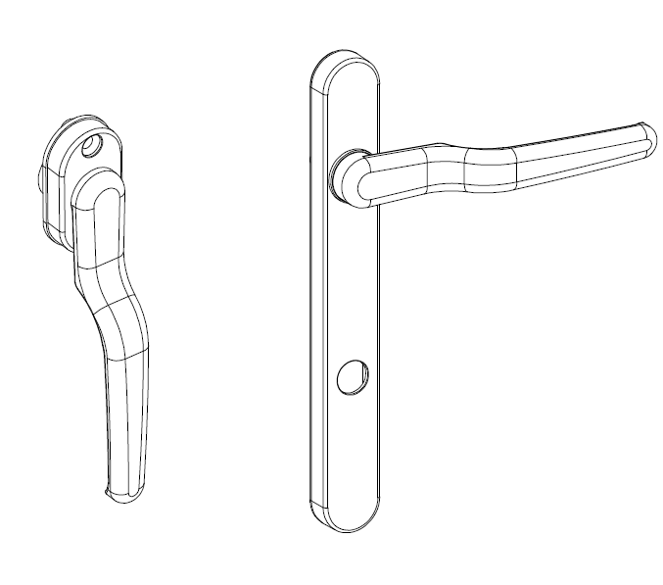
 |  | White |  |  |  |  |  |  |  | White
 |  | Black |  |  |  |  |  |  |  | Black
 |  | Chrome |  |  |  |  |  |  |  | Chrome
 |  | Gold |  |  |  |  |  |  |  | Dark Chrome
 |  |  |  |  |  |  |  |  |  | Gold
Special Requirements

